Barbie Closeouts
Barbie Closeout Inventory

Pick & Choose

Image | Item # | Description | Pack | Origin | # Units | PRICE | UPC | UCC | Case Size | Wt | Cube | Tie | Hi | Item Size | Item Wt
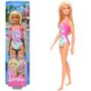 | GHW379683 | Mattel DP Barbie Doll Blonde Wearing Swimsuit | 4 | Indonesia | 16 | $5.84 | 887961804188 | 50887961804183 | 13" x 7" x 5" | 1 | 0.26 | 33 | 13 | 3.5" x 1.75" x 12.7" | 5
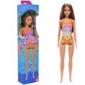 | HXX509633 | Mattel DP Barbie Beach Doll Orange Latina | 4 | Indonesia | 2,771 | $6.01 | 194735240999 | 50194735240994 | 13" x 6" x 4" | 1 | 0.18 | 36 | 16 | 2.75" x 1.5" x 13" | 5
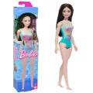 | HXX519633 | Mattel DP Barbie Beach Doll Blue Asian | 4 | Indonesia | 532 | $6.01 | 194735240951 | 50194735240956 | 13" x 6" x 4" | 1 | 0.18 | 36 | 16 | 2.75" x 1.5" x 13" | 5
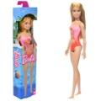 | HXX489633 | Mattel DP Barbie Beach Pink Doll | 4 | Indonesia | 1,059 | $6.01 | 194735240982 | 50194735240987 | 13" x 6" x 4" | 1 | 0.18 | 32 | 16 | 2.75" x 1.5" x 12.7" | 5
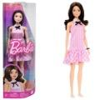 | HRH219565 | Mattel DDC Barbie Fashionista Doll Brunette | 4 | China | 139 | $6.43 | 194735176649 | 50194735176644 | 8" x 5" x 13" | 2 | 0.3 | 30 | 12 | 4" x 2" x 12.7" | 7
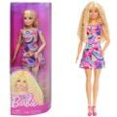 | HRH209565 | Mattel DDC Barbie Fashionista Doll | 4 | Indonesia | 2,066 | $6.43 | 194735176809 | 50194735176804 | 8" x 4" x 13" | 2 | 0.24 | 30 | 12 | 4" x 2" x 12.7" | 7
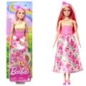 | HRR089564 | Mattel Barbie Doll | 6 | Indonesia | 5,446 | $6.43 | 194735183609 | 50194735183604 | 13" x 7" x 6" | 3 | 0.31 | 18 | 16 | 4" x 2" x 12.7" | 6
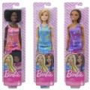 | GBK92978B | Mattel DP EC Barbie OPP Doll Asst. | 4 | Indonesia | 461 | $7.01 | 194735052431; (1) Pink dress 194735052448; (1) Purple dress 194735052455; (2) Blue dress | 50194735052436 | 13" x 7" x 4" | 1 | 0.21 | 33 | 13 | 3.25" x 1.75" x 12.7" | 5
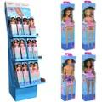 | HHW919993 | Mattel DP Beach Barbie Floor 48 pc Display | 48 | Indonesia | 2,354 | $7.07 | 194735241019; (4) Purplu swimsuit 194735240999; (16) Purple orange swi 194735240982; (24) Pink swimsuit 194735240968; (4) Ken | 50194735241014 | 14" x 10" x 41" | 23 | 3.32 | 12 | 2 | 3.5" x 1.75" x 12.7" | 5
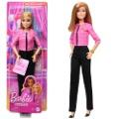 | HXN969993 | Mattel DDC Barbie Future Leader Doll | 4 | Indonesia | 10,505 | $7.07 | 194735235599 | 50194735235594 | 8" x 5" x 13" | 2 | 0.3 | 27 | 12 | 4.5" x 2" x 12.7" | 6
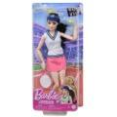 | HKT739564 | Mattel Barbie RD Made To Move Tennis Player Doll | 4 | Indonesia | 14,515 | $7.59 | 194735107988 | 50194735107983 | 13" x 11" x 5" | 3 | 0.41 | 24 | 8 | 5.75" x 2.5" x 12.7" | 8
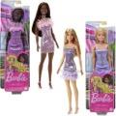 | T7580962H | Mattel DP EC Barbie Glitz Doll Asst. | 6 | Indonesia | 1,334 | $8.48 | 194735094042; (1) Pink dress 194735094226; (5) Purple dress | 50194735094047 | 13" x 8" x 6" | 2 | 0.36 | 21 | 12 | 4" x 2" x 12.7" | 5
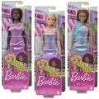 | T7580962E | Mattel DP EC Barbie Glitz Doll Asst. | 6 | Indonesia | 1,051 | $8.48 | 194735094363; (1) Blue 194735094042; (1) Pink 194735094226; (4) Purple | 50194735094368 | 13" x 8" x 6" | 2 | 0.36 | 21 | 12 | 4" x 1.75" x 12.7" | 5
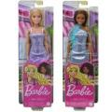 | T7580962G | Mattel DP EC Barbie Glitz Doll Asst. | 6 | Indonesia | 875 | $8.48 | 194735094363; (2) Blue dress 194735094226; (4) Purple dress | 50194735094368 | 13" x 8" x 6" | 2 | 0.36 | 21 | 12 | 4" x 1.75" x 12.7" | 5
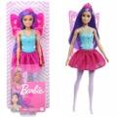 | FWK85979B | Mattel DP EC Barbie Fairy | 6 | Indonesia | 131 | $8.54 | 887961954494 | 50887961954499 | 13" x 8" x 6" | 3 | 0.4 | 21 | 10 | 4.75" x 2" x 13" | 6
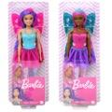 | FWK85979A | Mattel DP EC Barbie Fairy Asst | 6 | Indonesia | 18 | $8.54 | 887961954500; (1) Pink hair 887961954494; (4) Purple hair | 50887961954505 | 13" x 9" x 6" | 3 | 0.4 |  |  | 4.5" x 2" x 12.7" | 6
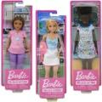 | FWK89979A | Mattel DP EC Barbie Core Career Doll Asst | 6 | Indonesia | 53 | $8.54 | 194735003877; (1) Teacher. 194735003853; (2) Nurse. 194735003860; (3) Tennis player. | 50194735003872 | 13" x 8" x 6" | 2 | 0.36 | 21 | 12 | 4" x 2" x 12.7" | 6
 | FWK89979B | Mattel DP EC Barbie Core Career Doll Asst | 6 | Indonesia | 1,414 | $8.54 | 194735003853; (1) Nurse 194735003877; (2) Teacher 194735003860; (3) Tennis player | 50194735003858 | 13" x 8" x 6" | 2 | 0.36 | 21 | 12 | 4" x 2" x 12.7" | 6
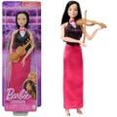 | HKT689564 | Mattel DDC Barbie Violin Doll | 4 | Indonesia | 49 | $8.76 | 194735107995 | 50194735107990 | 13" x 9" x 4" | 2 | 0.27 | 32 | 10 | 4.5" x 2" x 12.7" | 6
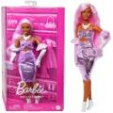 | HYV259564 | Mattel DDC Barbie Deluxe Style Doll | 2 | Indonesia | 5,319 | $9.40 | 194735255979 | 50194735255974 | 8" x 5" x 13" | 2 | 0.3 | 27 | 12 | 8" x 3.25" x 12.7"
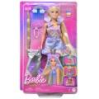 | JCT729564 | Mattel Barbie Fun & Fancy Doll | 4 | China | 15,663 | $9.93 | 194735276141 | 50194735276146 | 9" x 8" x 13" | 3 | 0.54 | 24 | 7 | 7.5" x 2.25" x 12.7" | 9
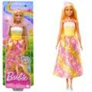 | HRR099564 | Mattel Barbie Core Royal Doll Tan | 6 | China | 225 | $10.57 | 194735183760 | 50194735183765 | 13" x 8" x 6" | 3 | 0.36 | 21 | 13 | 4" x 2" x 12.7" | 6
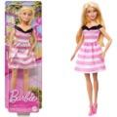 | HTH669796 | Mattel DP Barbie 65th Anniversary Doll | 4 | Indonesia | 1,042 | $10.96 | 194735190737 | 50194735190732 | 13" x 8" x 4" | 2 | 0.24 | 33 | 12 | 4" x 1.75" x 12.7" | 6
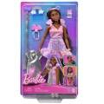 | JCT739564 | Mattel DDC Barbie Fun & Fancy Doll | 4 | China | 3,244 | $11.09 | 194735276158 | 50194735276153 | 9" x 8" x 13" | 3 | 0.54 | 25 | 7 | 7.5" x 2.25" x 12.7" | 9.5
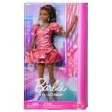 | JFP419564 | Mattel DDC Barbie Deluxe Style | 2 | Indonesia | 629 | $11.09 | 194735303076 | 50194735303071 | 8" x 5" x 13" | 2 | 0.3 | 26 | 12 | 8" x 3.75" x 13" | 10
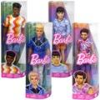 | DWK44965F | Mattel DP Barbie Ken Fashionista Dolls | 4 | Indonesia | 21 | $11.22 | 194735176861; (1) Blue shirt 194735176731; (1) Shirt hearts 194735176830; (1) Shirt orange 194735176717; (1) Rainbow t-shirt | 50194735176866 | 13" x 8" x 4" | 2 | 0.24 | 30 | 12 | 4" x 2" x 12.7" | 9
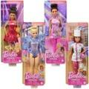 | DVF50958T | Mattel DP Barbie Core Career Doll | 4 | Indonesia | 364 | $11.22 | 194735108077; (1) Pastric Chef 194735176038; (1) Figure Skater 887961918755; (1) Gymnast Rhyth 194735303762; (1) Ballroom Dance | 50194735108072 | 8" x 5" x 13" | 2 | 0.3 | 27 | 7 | 4.5" x 2" x 12.7" | 6
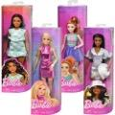 | FBR37985F | Mattel DP Barbie Fashionista Doll Asst | 4 | Indonesia | 422 | $11.22 | 194735255610; (1) Silver dress 194735255597; (1) Green dress 194735255658; (1) Pink dress 194735255603; (1) Shirt letter B | 50194735255615 | 8" x 5" x 13" | 2 | 0.3 | 30 | 12 | 4" x 2" x 12.7" | 7
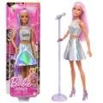 | JCW429564 | Mattel DP Barbie Core Career Doll | 4 | Indonesia | 207 | $11.22 | 194735277582 | 50194735277587 | 8" x 5" x 13" | 2 | 0.3 | 29 | 12 | 4.5" x 2" x 12.7" | 6
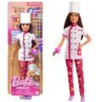 | HKT679564 | Mattel RD Barbie Pastry Chef Doll | 4 | Indonesia | 181 | $11.22 | 194735108077 | 50194735108072 | 13" x 9" x 4" | 2 | 0.27 | 27 | 10 | 4.5" x 2" x 12.7" | 6
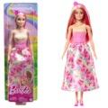 | HRR08-371180 | Mattel Barbie Doll with Pink and Blonde hair | 6 | Indonesia | 77 | $11.22 | 194735183609 | 50194735183604 | 13" x 8" x 6" | 2 | 0.36 |  |  | 4" x 2" x 12.7" | 6
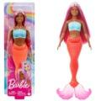 | HRR04-371180 | Mattel Barbie Doll | 4 | Indonesia | 16 | $11.22 | 194735183708 | 50194735183703 | 13" x 8" x 6" | 3 | 0.36 |  |  | 4" x 2" x 12.7" | 7.5
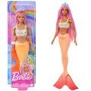 | HRR059564 | Mattel DP Barbie Mermaid Doll Pink/Lavender | 6 | Indonesia | 69 | $11.22 | 194735183661 | 50194735183666 | 13" x 8" x 6" | 3 | 0.36 | 21 | 12 | 4" x 2" x 12.7" | 7
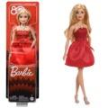 | JGD259796 | Mattel DP Barbie 80th Anniversary Doll | 5 | Indonesia | 606 | $11.63 | 194735311200 | 50194735311205 | 10" x 4" x 13" | 2 | 0.3 | 30 | 9 | 4" x 1.75" x 12.7" | 6
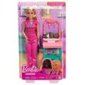 | JCR729564 | Mattel Barbie Baby Doctor Doll | 4 | Indonesia | 7,981 | $12.26 | 194735275274 | 50194735275279 | 10" x 8" x 13" | 3 | 0.6 | 20 | 7 | 7.5" x 2.5" x 12.7" | 11
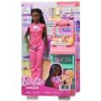 | JCR739564 | Mattel DDC Barbie Baby Doctor Doll | 4 | Indonesia | 685 | $12.26 | 194735275229 | 50194735275224 | 11" x 8" x 13" | 3 | 0.66 | 20 | 7 | 7.5" x 2.5" x 12.7" | 11
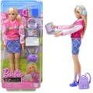 | HRG849796 | Mattel DP Barbie with Accessories in Box | 4 | Indonesia | 50 | $14.58 | 194735176151 | 50194735176156 | 9" x 6" x 13" | 2 | 0.4 | 30 | 7 | 6" x 2" x 12.7" | 8
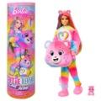 | JFV609993 | Mattel DP Barbie Care Bears Cutie Reveal | 3 | China | 4,925 | $14.59 | 194735306268 | 50194735306263 | 12" x 4" x 13" | 3 | 0.36 | 33 | 7 | 4" x 4" x 12.7" | 14
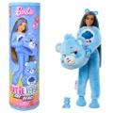 | JCN969993 | Mattel DDC Barbie Care Bears Cutie Reveal | 2 | China | 4,273 | $14.59 | 194735273867 | 50194735273862 | 8" x 4" x 13" | 2 | 0.24 | 30 | 12 | 4" x 4" x 12.7" | 13.5
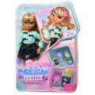 | JGG369993 | Mattel DDC Barbie Dream Besties Zia Doll | 4 | Indonesia | 1,555 | $14.59 | 194735313303 | 50194735313308 | 10" x 9" x 13" | 4 | 0.68 | 20 | 7 | 8" x 2.25" x 12." | 13
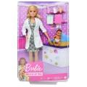 | GVK039796 | Mattel DP Barbie Doctor | 4 | Indonesia | 331 | $16.45 | 887961928068 | 50887961928063 | 10" x 8" x 13" | 3 | 0.6 | 20 | 7 | 8" x 2.5" x 12.7" | 8
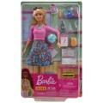 | GJC239796 | Mattel DP EC Barbie Teacher Blonde | 4 | Indonesia | 767 | $16.45 | 887961808230 | 50887961808235 | 10" x 8" x 13" | 3 | 0.6 | 24 | 7 | 8" x 2.5" x 12.7" | 9
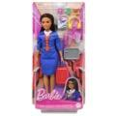 | HYT609796 | Mattel DP Barbie Flight Attendant | 4 | China | 105 | $16.45 | 194735255320 | 50194735255325 | 9" x 6" x 13" | 2 | 0.4 | 30 | 7 | 6" x 2.25" x 12.7" | 8
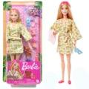 | HKT909564 | Mattel DP Barbie Wellness Spa Doll Set | 3 | Indonesia | 86 | $16.69 | 194735108176 | 50194735108171 | 7" x 6" x 13" | 2 | 0.31 | 19 | 13 | 5.75" x 2.25" x 12.7" | 8.5
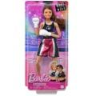 | HRG409564 | Mattel DP Barbie Career Boxing Doll | 4 | Indonesia | 319 | $16.73 | 194735175970 | 50194735175975 | 13" x 11" x 5" | 3 | 0.41 | 24 | 8 | 5.75" x 2.5" x 12.7" | 9
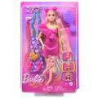 | JDC859564 | Mattel RD Barbie Hair Rainbow Doll | 4 | Indonesia | 1,281 | $16.92 | 194735281183 | 50194735281188 | 9" x 8" x 13" | 3 | 0.54 | 20 | 7 | 8" x 2.25" x 12.7" | 10.5
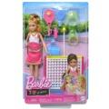 | HRG839796 | Mattel DP Barbie Chelsea with Accessories in Box | 4 | Indonesia | 241 | $17.99 | 194735176434 | 50194735176439 | 9" x 9" x 13" | 3 | 0.61 | 20 | 7 | 8.5" x 2.25" x 12.7" | 11
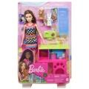 | HGM629796 | Mattel DP Barbie Doll with Pet Playset | 3 | Indonesia | 126 | $19.94 | 194735052646 | 50194735052641 | 10" x 9" x 13" | 3 | 0.68 | 20 | 7 | 9" x 3" x 12.7" | 15
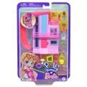 | HWP119564 | Mattel RD Polly Pocket Barbie Dreamhouse Compact Dollhouse Playset | 4 | China | 170 | $20.82 | 194735217687 | 50194735217682 | 9" x 8" x 12" | 3 | 0.5 | 25 | 8 | 7.5" x 2" x 11.5" | 11
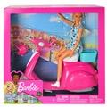 | GBK85 | Mattel DI Barbie Doll & Scooter | 4 | China | 17 | $23.68 | 887961716962 | 50887961716967 | 15" x 12" x 13" | 6 | 1.35 | 9 | 7 | 11.5" x 3.75" x 12.2" | 22
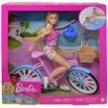 | HBY289654 | Mattel Barbie Doll & Bicycle | 3 | China | 154 | $23.69 | 194735005192 | 50194735005197 | 12" x 9" x 13" | 4 | 0.81 | 17 | 7 | 12" x 3" x 12.7" | 24
 | HRM459765 | Mattel DP Barbie Isabel Allende Doll in Box | 1 | Indonesia | 48 | $28.59 | 194735180394 | 50194735180399 | 8" x 3" x 14" | 1 | 0.19 | 39 | 12 | 7" x 2.5" x 12.7" | 13
 | HRM499993 | Mattel DP Venus Williams Barbie Doll in Box | 1 | Indonesia | 59 | $44.05 | 194735180547 | 50194735180542 | 7" x 3" x 14" | 1 | 0.17 | 42 | 13 | 7" x 2.5" x 12.7" | 14
 | HRM729765 | Mattel DP Barbie Dia De Los Muertos Doll | 1 | Indonesia | 462 | $48.48 | 194735180903 | 50194735180900 | 9" x 4" x 16" | 3 | 0.33 | 27 | 10 | 9" x 3.5" x 13" | 37
 | HJX179993 | Mattel DP Mariah Carey Barbie Collector Doll | 1 | Indonesia | 85 | $61.26 | 194735097395 | 50194735097390 | 10" x 4" x 14" | 2 | 0.32 | 28 | 9 | 9" x 3.5" x 13" | 18
 | JBJ179993 | Mattel DP Barbie 80th Anniversary | 1 | Indonesia | 48 | $64.76 | 194735261383 | 50194735261388 | 12" x 4" x 14" | 2 | 0.39 | 30 | 8 | 11" x 3" x 13" | 18
 | JBJ189993 | Mattel DP Barbie 80th Anniversary | 1 | Indonesia | 101 | $64.76 | 194735261109 | 50194735261104 | 12" x 4" x 14" | 2 | 0.39 | 33 | 8 | 11" x 3" x 13" | 18
 | JBJ059765 | Mattel DP Barbie Dia De Los Muertos Doll | 1 | Indonesia | 77 | $80.98 | 194735260980 | 50194735260985 | 10" x 4" x 16" | 2 | 0.37 | 28 | 9 | 9" x 3.5" x 13" | 25
 | JBJ069765 | Mattel DP Barbie Dia De Los Muertos Ken Doll | 1 | Indonesia | 34 | $80.98 | 194735260706 | 50194735260701 | 10" x 4" x 16" | 3 | 0.37 | 24 | 9 | 9" x 3.5" x 13" | 28
 | GRG939565 | Mattel DP RD Barbie Dreamhouse Playset 75+ pcs | 1 | Vietnam | 20 | $226.90 | 887961904123 | 50887961904128 | 30" x 9" x 30" | 28 | 4.69 |  |  | 30" x 8.75" x 30" | 446
 | HRL59956P | Mattel DP Uno Barbie | 8 | China | 661 | $6.43 | 194735326839 | 50194735326834 | 10" x 3" x 4" | 3 | 0.07 | 52 | 24 | 3.75" x .75" x 5.75" | 6
 | HYF479993 | Mattel DDC Mini Barbieland Doll & Accessories | 4 | China | 21,060 | $3.57 | 194735245284 | 50194735245289 | 9" x 7" x 13" | 2 | 0.47 | 18 | 10 | 9" x 3" x 6" | 5
 | HYF419993 | Mattel DDC Mini Barbieland Boat | 6 | China | 140 | $3.51 | 194735245178 | 50194735245173 | 7" x 6" x 13" | 1 | 0.31 | 20 | 13 | 5.5" x 2" x 6" | 2
 | HRH389633 | Mattel DDC Barbie Fashions | 8 | Indonesia | 783 | $3.45 | 194735177110 | 50194735177115 | 7" x 5" x 8" | 1 | 0.16 | 52 |  | 4.25" x .75" x 8.25" | 1
 | HRH479633 | Mattel DDC Barbie Fashions | 8 | Indonesia | 2,780 | $3.45 | 194735176960 | 50194735176965 | 8" x 7" x 8" | 1 | 0.26 | 30 | 12 | 7.5" x 1" x 8" | 2
 | HJT439564 | Mattel DDC Barbie Fashions | 4 | Indonesia | 7,062 | $3.45 | 194735094196 | 50194735094191 | 8" x 7" x 4" | 1 | 0.13 | 41 | 13 | 6.25" x 2" x 4" | 2
 | HYF399993 | Mattel DDC Mini Barbieland Camper | 6 | China | 13,307 | $2.39 | 194735245208 | 50194735245203 | 7" x 6" x 13" | 1 | 0.31 | 20 | 13 | 5.5" x 2" x 6" | 2
 | HYF19999A | Mattel DDC Barbieland Mini Core Dolls | 10 | China | 68,742 | $1.64 | 194735245192 | 50194735245197 | 6" x 3" x 13" | 1 | 0.13 | 40 | 16 | 3" x 1" x 6" | 10
 | HYF28999A | Mattel DDC Barbieland Color Reveal Dolls | 10 | China | 18,141 | $1.64 | 194735245239 | 50194735245234 | 6" x 3" x 13" | 1 | 0.13 | 40 | 16 | 3" x 1" x 6" | 10
 | HYM25999A | Mattel DDC Barbieland Pop Reveal | 10 | China | 35,931 | $1.64 | 194735250981 | 50194735250986 | 6" x 3" x 13" | 1 | 0.13 | 32 | 16 | 3" x 1" x 6" | 10
 | HYM26999A | Mattel DDC Barbieland Pop Reveal | 10 | China | 40,915 | $1.64 | 194735250998; (2) Blue (3) Purple (5) Pink | 50194735250993 | 6" x 4" x 13" | 1 | 0.18 |  |  | 3" x 1" x 6" | 10
 |  |  |  |  | 306,396

